REGISTRATION FORM
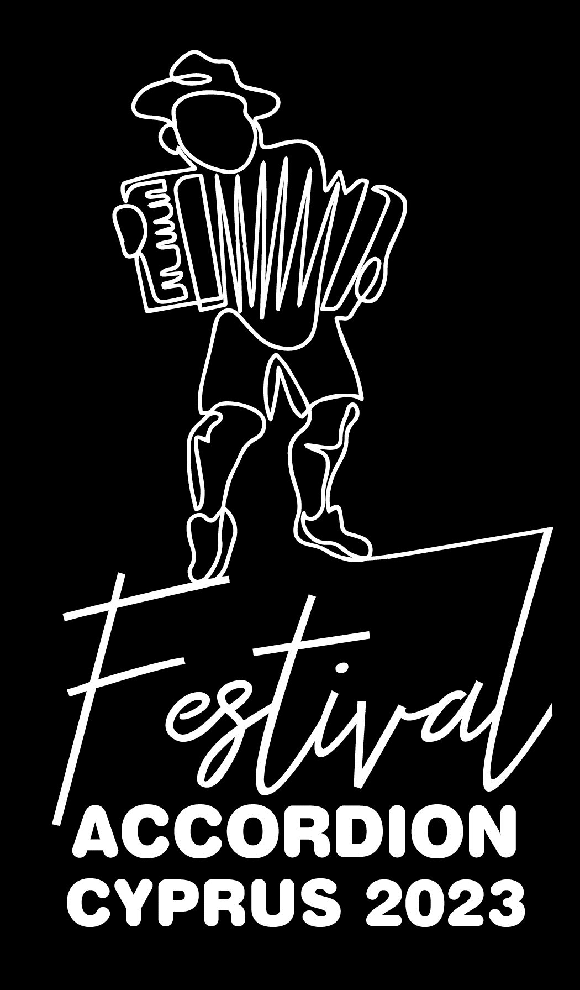 SEMINARS/WORKSHOPS | COST |  | No. of participants (Click on space to choose from drop-down list) | Total per seminar
Accordion Seminars: "From Smyrni and Constantinople to Buenos Aires" with Dimos Vougioukas |  | € 65 |  | € 0
Accordion Seminars: "Accordion in Tarantella Sounds" with Vangelis Papageorgiou |  | € 65 |  | € 0
*Participation in both accordion seminars "From Smyrni and Constantinople to Buenos Aires" & "Accordion in Tarandela Sounds" | *cost includes free pass to live concerts for duration of festival | € 110 |  | € 0
Experiential Workshop of Traditional Dances of Southern Italy by Encardia - 2 hours |  | € 30 |  | € 0
Workshop: "Polyphonic Song" from the Rich Folk Tradition of Southern Italy - 2 hours |  | € 30 |  | € 0
“Nteon the Accordion” with Cleopatra Charalambous & Angelos Doukas (for 3yrs & over) |  | € 8 |  | € 0
“Morning Yoga”(for 12yrs and over) |  | € 10 |  | € 0
Workshop: "Make your own improvised musical instrument with recyclable materials" (for children) |  | € 5 |  | € 0
Lunch per person from 09/06 - 11/06 |  | € 45 |  | € 0
TOTAL COST |  | € 0

PARTICIPANT INFORMATION: (Please type your information below)
Name:
Age:
E-Mail:
Telephone:
For “Morning & Sunrise Yoga” (for the whole family), please specify names and ages of participating family members below.
Name: |  |  |  |  | Age:
Name: |  |  |  |  | Age:
Name: |  |  |  |  | Age:
Name: |  |  |  |  | Age:
